Sheet1
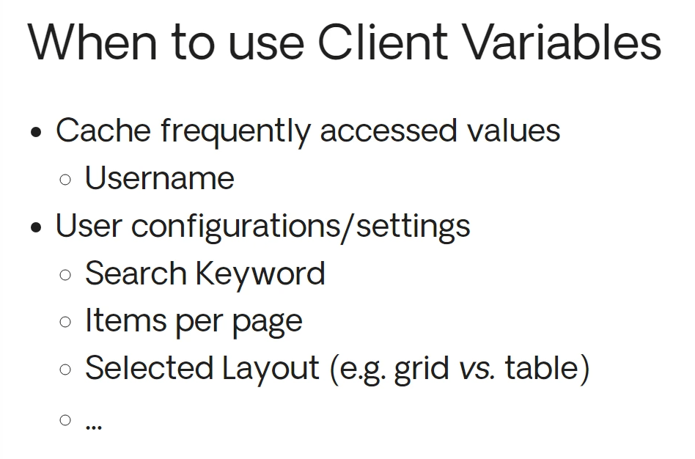
Client Variables values are restricted to basic data types and entity identifiers.

The client browser stores all Client Variables.

Whenever a user logs in, the values of the Client Variables are kept,
Whenever a user logs out, the Client Variables values are reset to their default.
The same may happen if the login expires.
closing the browser will not cause the loss of the Client Variables' values. The browser stores the values and re-loads them whenever it is opened again.

